SHELL
NITRO MENS JACKET |  |  |  |  |  |  | SAMPLE SIZE LARGE / XS-XXL
SEASON: |  | WINTER 2018/2019 |  |  | CONTRACTOR: |  | SOLUNA
STYLE NUMBER: |  | N18-103 |  |  | DATE CREATED: |  | 2017-03-21
STYLE NAME: |  | JARVIS |  |  | DATE REVISED:
WATERPROOF/BREATHABILITY: |  | 10K/10K |  |  | BLOCK: |  | Based on N17-105 SHAPERS fit
SEAM SEALING: |  | CRITICALLY SEAM SEALED |  |  | FIT: |  | REGULAR
INSULATION: |  | NON INSULATED |  |  | TARGET FOB:
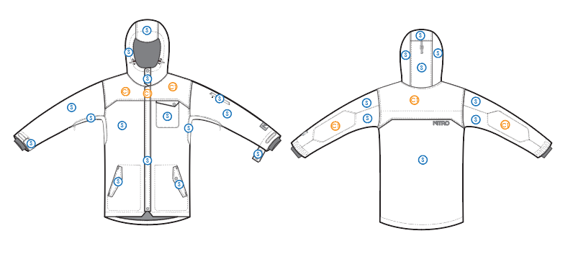
 |  |  |  | COLORWAYS
SHELL FABRIC | SUPPLIER/ REFERENCE NUMBER | LOCATION | CONTENT | COLORWAY 1 | COLORWAY 2 | COLORWAY 3 | COLORWAY 4 | COLORWAY 5
 | Lucky / LTL32523-R5-H473*2L | S
 | Hyperbola / SC390-7 *2L *(printable) | C1

INSULATION | SUPPLIER/ REFERENCE NUMBER | LOCATION | CONTENT | COLORWAY 1 | COLORWAY 2 | COLORWAY 3 | COLORWAY 4 | COLORWAY 5 | 0
NON INSULATED |  |  |  | 40G

SEAM TAPE | SUPPLIER/ REFERENCE NUMBER | LOCATION | CONTENT | COLORWAY 1 | COLORWAY 2 | COLORWAY 3 | COLORWAY 4 | COLORWAY 5 | 0
SEAM TAPE | TSGS | CRITICALLY TAPED |  | CRITICALLY TAPED

LINING | SUPPLIER/ REFERENCE NUMBER | LOCATION | CONTENT | COLORWAY 1 | COLORWAY 2 | COLORWAY 3 | COLORWAY 4 | COLORWAY 5 | 0
SOLID 210T | SOLIS / SONP006-1 | HOOD | 100% NYLON | COLOR
SOLID 210T | SOLIS / SONP006-1 | MAIN BODY | 100% NYLON | COLOR
SOLID 210T | SOLIS / SONP006-1 | SLEEVES | 100% NYLON | COLOR
SOLID 210T | SOLIS / SONP006-1 | SECONDARY POCKET BAGS | 100% NYLON | COLOR
SOLID COATED 210T | SOLIS / SONP006-PU03 | LOWER BODY & POWDER SKIRT | 100% NYLON | COLOR
BRUSHED TRICOT | SUPPLIER / REF CODE | HAND POCKET BAGS | 100% POLYESTER | COLOR
BRUSHED TRICOT | SUPPLIER / REF CODE | CHIN GUARD | 100% POLYESTER | COLOR
BRUSHED TECH MESH | SUPPLIER / REF CODE | NECK FACING | 100% POLYESTER | COLOR
POWER STRETCH MESH | SUPPLIER / REF CODE | UNDERARM VENTS | 100% POLYESTER | COLOR
POWER STRETCH MESH | SUPPLIER / REF CODE | GOGGLE POCKET | 100% POLYESTER | COLOR
POWER STRETCH MESH | SUPPLIER / REF CODE | BACK VENT | 100% POLYESTER | COLOR
LYCRA | SUPPLIER / REF CODE | SLEEVE GAITERS | CONTENT | COLOR

MEASUREMENTS
NITRO MENS JACKET |  |  |  |  |  |  |  | SAMPLE SIZE LARGE / XS-XXL
SEASON: |  | WINTER 2018/2019 |  |  |  |  |  | CONTRACTOR: |  |  |  |  |  | SOLUNA
STYLE NUMBER: |  | N18-103 |  |  |  |  |  | DATE CREATED: |  |  |  |  |  | 2017-03-21
STYLE NAME: |  | JARVIS |  |  |  |  |  | DATE REVISED: |  |  |  |  |  | 0
WATERPROOF/BREATHABILITY: |  | 10K/10K |  |  |  |  |  | BLOCK: |  |  |  |  |  | Based on N17-105 SHAPERS fit
SEAM SEALINING: |  | CRITICALLY SEAM SEALED |  |  |  |  |  | FIT: |  |  |  |  |  | REGULAR
INSULATION: |  | NON INSULATED |  |  |  |  |  | TARGET FOB: |  |  |  |  |  | $0.00
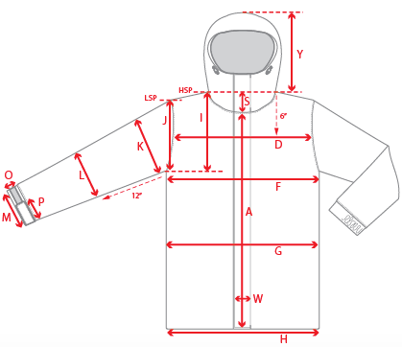 |  |  | 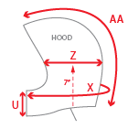 |  |  |  | 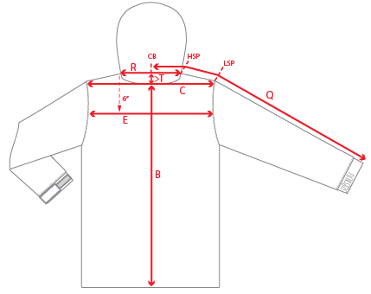
 |  |  |  | 1ST PROTO |  |  | 2ND PROTO |  |  | 3RD PROTO |  |  | S/SAMPLE |  |  | PP SAMPLE |  | FINAL
 |  |  | DATE: |  |  | DATE: |  |  | DATE: |  |  | DATE: |  |  | DATE:
 |  | TOL +/- | INITIAL MEASMNT | SAMPLE MEASURES | REVISE TO | REQUESTED | SAMPLE MEASURES | REVISE TO | REQUESTED | SAMPLE MEASURES | REVISE TO | REQUESTED | SAMPLE MEASURES | REVISE TO | REQUESTED | SAMPLE MEASURES | REVISE TO | APPROVED MEASMNTS
A | CF LENGTH - FROM NECKLINE | 0.25 | 28.25
B | CB LENGTH - FROM NECKLINE | 0.25 | 32.5
C | SHOULDER WIDTH | 0.25 | 19.5
D | ACROSS FRONT- 6" FROM HPS | 0.25
E | ACROSS BACK- 6" FROM HPS | 0.25
F | CHEST WIDTH - 1" BELOW ARMHOLE (1/2 MEASURE) | 0.25 | 25
G | WAIST WIDTH - 1/2 MEASURE, FROM HSP: S-19", M-19.5", L-20", XL-20.5" | 0.25 | 24.5
H | HEM OPENING - (1/2 MEASURE) | 0.25 | 24
J | ARMHOLE FRM LSP - STRAIGHT (1/2 MEASURE) | 0.125 | 10.75
K | BICEP - 1" BELOW UNDERARM (1/2 MEASURE) | 0.125 | 10
L | ELBOW - 12" BELOW UNDERARM (1/2 MEASURE) | 0.125 | 7.25
M | SLEEVE OPENING - RELAXED (1/2 MEASURE) | 0.125 | 5.875
N | SLEEVE OPENING - STRETCHED (1/2 MEASURE) | 0.125 | 6.875
 | WRIST GAITER LENGTH | 0.125 | 3.5
 | WRIST GAITER OPENING (1/2 MEASURE) | 0.125 | 4
O | SLEEVE CUFF HEIGHT | 0.125 | 1.75
P | SLEEVE CUFF TAB LENGTH | 0.125 | 4
Q | CB SLEEVE LENGTH - 3 PT MEASURE FROM CB | 0.25 | 38.5
R | NECK WIDTH - STRAIGHT HPS TO HPS (1/2 MEASURE) | 0.125 | 9.75
S | FRONT NECK DROP - FROM HSP | 0.125 | 4
T | BACK NECK DROP - FROM HSP | 0.125 | 1
U | CF COLLAR HEIGHT | 0.125 | 5
W | CENTER FRONT PLACKET WIDTH | 0.125 | 1.75
X | COLLAR CIRCUMFERENCE | 0.25 | 29
Y | HOOD HEIGHT - SHOULDER SEAM TO TOP | 0.125 | 16.25
Z | HOOD WIDTH - 7" UP FROM NECK SEAM | 0.125 | 10.5
AA | HOOD RUN | 0.25 | 23.5
AB | POWDER SKIRT LENGTH - EDGE TO EDGE, RELAXED | 0.5 | 39.5
AC | WAIST GAITER ELASTIC - FULL MEAS. RELAXED | 0.5 | 33
AD | WAIST GAITER ELASTIC - MIN. FULL MEAS. EXTENDED | 0.5 | 45
AE | POWDER SKIRT HEIGHT AT CB (INCLUDES ELASTIC) | 0.25 | 6.25
 | CHEST POCKET FLAP LENGTH | 0.125 | 5.5
 | CHEST POCKET FLAP WIDTH | 0.125 | 1.5
 | HAND POCKET FLAP LENGTH | 0.125 | 7.5
 | HAND POCKET FLAP WIDTH | 0.125 | 2
ZIPPERS | CENTER FRONT | 0.25 | 31.5
 | CHEST POCKET HORIZONTAL | 0.125 | 5
 | SLEEVE POCKET | 0.125 | 4.75
 | UNDERARM VENTS | 0.25 | 13.75
 | HAND POCKETS VERTICAL | 0.125 | 7
 | LINING POCKET VERTICAL | 0.125 | 6.5

 | ZIPPER RULES:
 | CF = XXX SHORTER THAN CF LENGTH

